Home
 |  |  | How to Use This Template:

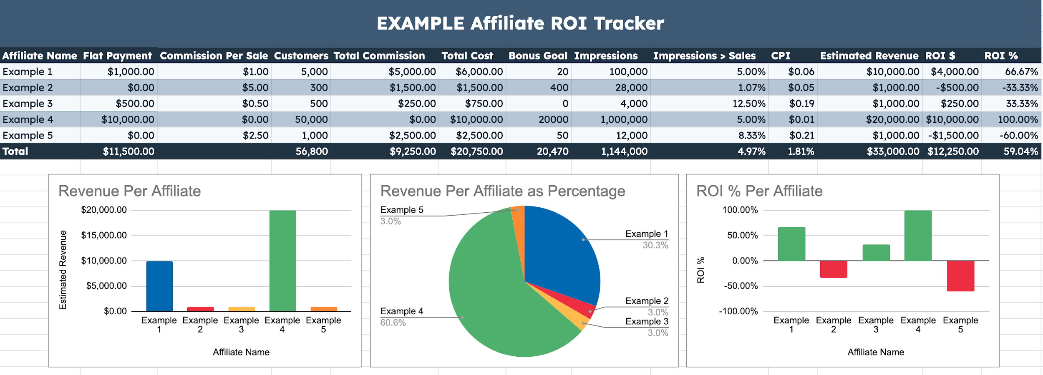
 |  |  | Thank you for downloading HubSpot's Affiliate Tracking Template! Use this spreadsheet to track the success of your affiliate marketing programs. For businesses, use the Business Owner Template to track the ROI of your investments in influencer marketing, as well as the sales, impressions, or any other bonus goals (newsletter signups, event registrations, etc.) For influencers & affiliates, use the Affiliate Template to measure the revenue you drive from each of the businesses you partner with, as well as the reach they each receive. Each template also comes with filled-out example tabs, and suggested charts for data visualization. If you need to add/delete any columns or rows, feel free to do so and make the most of this template.
Affiliate Tracking Template

 | Learn more about marketing with HubSpot Academy.

 | Sign up for FREE marketing and business courses and certifications.

 |  | Sign Up

Business Owner Template EXAMPLE
EXAMPLE Affiliate ROI Tracker

Affiliate Name | Flat Payment | Commission Per Sale | Customers | Total Commission | Total Cost | Bonus Goal | Impressions | Impressions > Sales | CPI | Estimated Revenue | ROI $ | ROI %
Example 1 | $1,000.00 | $1.00 | 5,000 | $5,000.00 | $6,000.00 | 20 | 100,000 | 5.00% | $0.06 | $10,000.00 | $4,000.00 | 66.67%
Example 2 | $0.00 | $5.00 | 300 | $1,500.00 | $1,500.00 | 400 | 28,000 | 1.07% | $0.05 | $1,000.00 | -$500.00 | -33.33%
Example 3 | $500.00 | $0.50 | 500 | $250.00 | $750.00 | 0 | 4,000 | 12.50% | $0.19 | $1,000.00 | $250.00 | 33.33%
Example 4 | $10,000.00 | $0.00 | 50,000 | $0.00 | $10,000.00 | 20000 | 1,000,000 | 5.00% | $0.01 | $20,000.00 | $10,000.00 | 100.00% | Need more rows? ← Right click this cell, then click "+ Insert 1 row above."
Example 5 | $0.00 | $2.50 | 1,000 | $2,500.00 | $2,500.00 | 50 | 12,000 | 8.33% | $0.21 | $1,000.00 | -$1,500.00 | -60.00%
Total | $11,500.00 |  | 56,800 | $9,250.00 | $20,750.00 | 20,470 | 1,144,000 | 4.97% | 1.81% | $33,000.00 | $12,250.00 | 59.04%
Revenue Per Affiliate
Revenue Per Affiliate as Percentage
ROI % Per Affiliate

Business Owner Template
Affiliate ROI Tracker

Affiliate Name | Flat Payment | Commission Per Sale | Customers | Total Commission | Total Cost | Bonus Goal | Impressions | Impressions > Sales | CPI | Estimated Revenue | ROI $ | ROI %
Example 1 | $0.00 | $0.00 | 0 | $0.00 | $0.00 | 0 | 0 | #DIV/0! | #DIV/0! | $0.00 | $0.00 | #DIV/0!
Example 2 | $0.00 | $0.00 | 0 | $0.00 | $0.00 | 0 | 0 | #DIV/0! | #DIV/0! | $0.00 | $0.00 | #DIV/0!
Example 3 | $0.00 | $0.00 | 0 | $0.00 | $0.00 | 0 | 0 | #DIV/0! | #DIV/0! | $0.00 | $0.00 | #DIV/0!
Example 4 | $0.00 | $0.00 | 0 | $0.00 | $0.00 | 0 | 0 | #DIV/0! | #DIV/0! | $0.00 | $0.00 | #DIV/0! | Need more rows? ← Right click this cell, then click "+ Insert 1 row above."
Example 5 | $0.00 | $0.00 | 0 | $0.00 | $0.00 | 0 | 0 | #DIV/0! | #DIV/0! | $0.00 | $0.00 | #DIV/0!
Total | $0.00 |  | 0 | $0.00 | $0.00 | 0 | 0 | #DIV/0! | #DIV/0! | $0.00 | $0.00 | #DIV/0!
Revenue Per Affiliate
Revenue Per Affiliate as Percentage
ROI % Per Affiliate

Affiliate Template EXAMPLE
EXAMPLE Affiliate Profit & Revenue Tracker

Brand Name | Flat Payment | Commission Per Sale | Customers Driven | Total Commission | Total Revenue | Bonus Goal | Impressions | Total Cost | Profit
Example 1 | $1,000.00 | $1.00 | 5,000 | $5,000.00 | $6,000.00 | 50 | 100,000 | $1,000.00 | $5,000.00
Example 2 | $0.00 | $5.00 | 300 | $1,500.00 | $1,500.00 | 20 | 28,000 | $500.00 | $1,000.00
Example 3 | $500.00 | $0.50 | 500 | $250.00 | $750.00 | 200 | 4,000 | $0.00 | $750.00
Example 4 | $10,000.00 | $0.00 | 50,000 | $0.00 | $10,000.00 | 10 | 1,000,000 | $0.00 | $10,000.00 | Need more rows? ← Right click this cell, then click "+ Insert 1 row above."
Example 5 | $0.00 | $2.50 | 1,000 | $2,500.00 | $2,500.00 | 90 | 12,000 | $0.00 | $2,500.00
Total | $11,500.00 |  | 56,800 | $9,250.00 | $20,750.00 | 370 | 1,144,000 | $1,500.00 | $19,250.00
Revenue Per Brand
Profit Per Brand
Commission Per Sale Per Company

Affiliate Template
Affiliate Profit & Revenue Tracker

Brand Name | Flat Payment | Commission Per Sale | Customers Driven | Total Commission | Total Revenue | Bonus Goal | Impressions | Total Cost | Profit
Example 1 | $0.00 | $0.00 | 0 | $0.00 | $0.00 | 0 | 0 | $0.00 | $0.00
Example 2 | $0.00 | $0.00 | 0 | $0.00 | $0.00 | 0 | 0 | $0.00 | $0.00
Example 3 | $0.00 | $0.00 | 0 | $0.00 | $0.00 | 0 | 0 | $0.00 | $0.00
Example 4 | $0.00 | $0.00 | 0 | $0.00 | $0.00 | 0 | 0 | $0.00 | $0.00 | Need more rows? ← Right click this cell, then click "+ Insert 1 row above."
Example 5 | $0.00 | $0.00 | 0 | $0.00 | $0.00 | 0 | 0 | $0.00 | $0.00
Total | $0.00 |  | 0 | $0.00 | $0.00 | 0 | 0 | $0.00 | $0.00
Revenue Per Brand
Profit Per Brand
Commission Per Sale Per Brand

